Diagram
 | Displacement at mid-span [mm]
0.00E+00 | 0.00E+00
1.00E-02 | -3.69E-01
2.00E-02 | -7.38E-01
3.00E-02 | -1.11E+00
4.00E-02 | -1.48E+00
5.00E-02 | -1.84E+00
6.00E-02 | -2.21E+00
7.00E-02 | -2.58E+00
8.00E-02 | -2.95E+00
9.00E-02 | -3.32E+00
1.00E-01 | -3.69E+00
1.10E-01 | -4.06E+00
1.20E-01 | -4.43E+00
1.30E-01 | -4.79E+00
1.40E-01 | -5.16E+00
1.50E-01 | -5.53E+00
1.60E-01 | -5.90E+00
1.70E-01 | -6.27E+00
1.80E-01 | -6.64E+00
1.90E-01 | -7.01E+00
2.00E-01 | -7.38E+00
2.10E-01 | -7.75E+00
2.20E-01 | -8.12E+00
2.30E-01 | -8.49E+00
2.40E-01 | -8.85E+00
2.50E-01 | -9.22E+00
2.60E-01 | -9.59E+00
2.70E-01 | -9.96E+00
2.80E-01 | -1.03E+01
2.90E-01 | -1.07E+01
3.00E-01 | -1.11E+01
3.10E-01 | -1.14E+01
3.20E-01 | -1.18E+01
3.30E-01 | -1.22E+01
3.40E-01 | -1.25E+01
3.50E-01 | -1.29E+01
3.60E-01 | -1.33E+01
3.70E-01 | -1.37E+01
3.80E-01 | -1.40E+01
3.90E-01 | -1.44E+01
4.00E-01 | -1.48E+01
4.10E-01 | -1.51E+01
4.20E-01 | -1.55E+01
4.30E-01 | -1.59E+01
4.40E-01 | -1.62E+01
4.50E-01 | -1.66E+01
4.60E-01 | -1.70E+01
4.70E-01 | -1.73E+01
4.80E-01 | -1.77E+01
4.90E-01 | -1.81E+01
...

Deflected shape
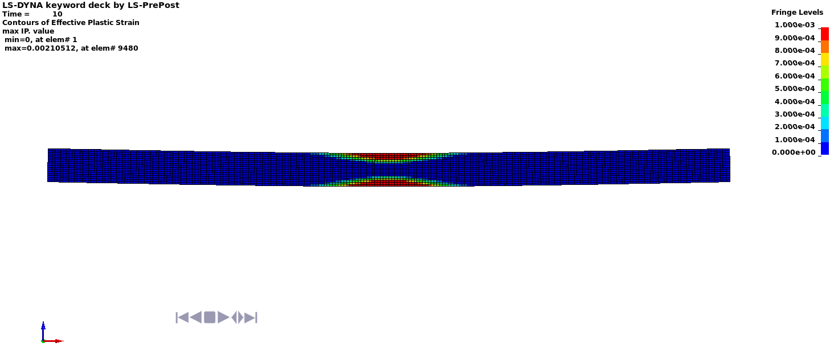

Deflected shape with visible contours of plasticity - side view

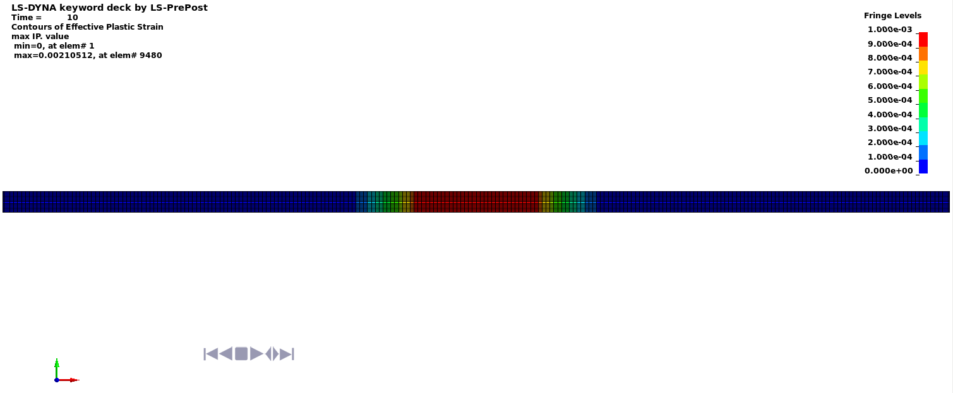

Deflected shape with visible contours of plasticity - top view

